Bahan
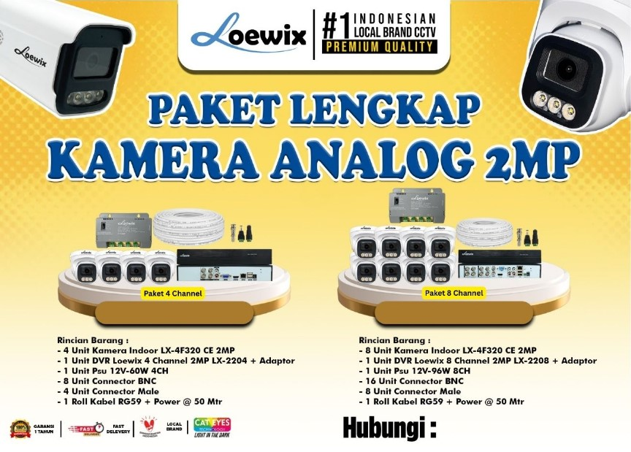

Halo Kak! Kabar gembira buat reseller setia Loewix 🎉 Sekarang tersedia PAKET HEMAT KHUSUS RESELLER – lebih praktis, lebih murah, dan siap pakai di lapangan! 💼 ✨ Dapatkan: 💸 Harga Spesial Installer 🧰 Peralatan Lengkap 🏆 Kualitas Terbaik 🎨 Free desain sesuai kebutuhan 📝 Bisa request harga sendiri di Desain ⚡ Proses cepat, hasil menarik! 📞 ORDER SEKARANG sebelum kehabisan! Untuk Harga Paket - 4 Channel : Rp. 950.000 - 8 Channel : Rp. 1.500.000 NOTE : Belum termasuk hardisk

